6th of october
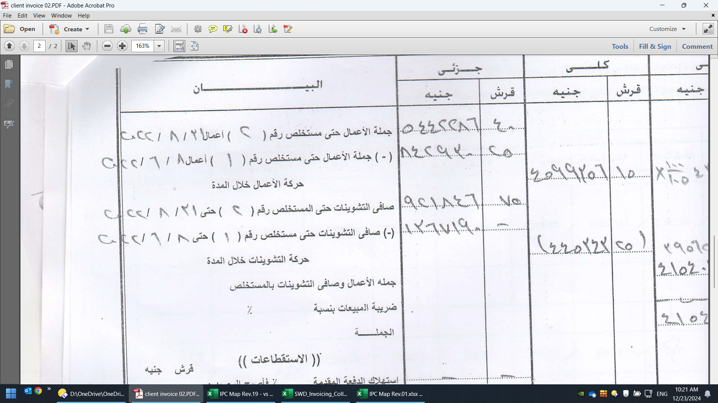

astoria
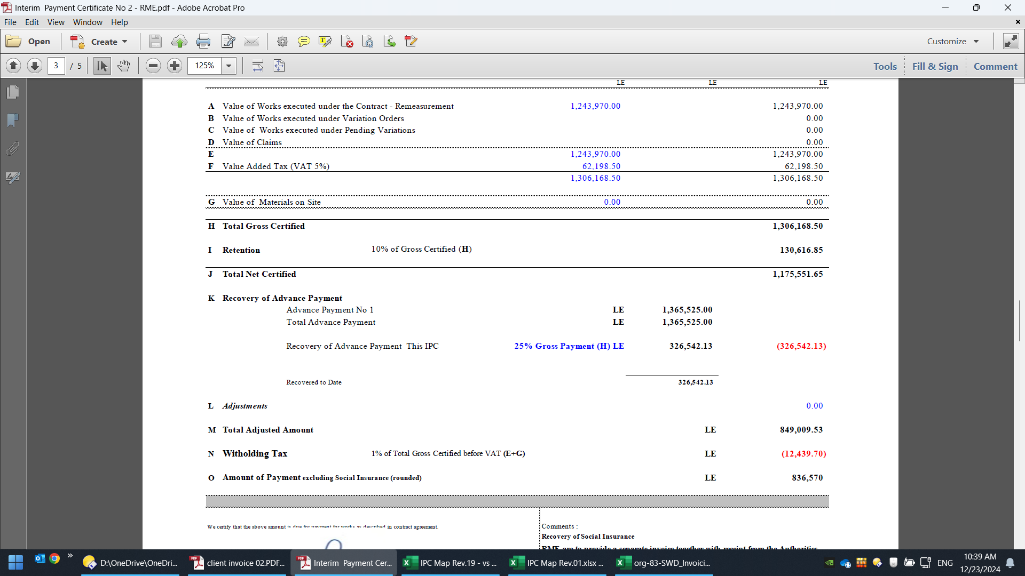
CASH_RECEIPT_ID | PROJECT_NUMBER | PROJECT_NAME | INV_NUM | CUSTOMER_TRX_ID | ATTRIBUTE1 | AMOUNT_APPLIED | TOTAL_AMOUNT_APPLIED | CUSTOMER_NAME | COMMENTS | INV_TYPE | INV_CLASS | INVOICE_DATE | CURRENCY | AMOUNT_EXECLUDED_VAT
1074737 | 0182 | Astoria Sharm elSheikh | astoria sharm IPC2 | 894555 | On Account | 105,284 | 375,012 | Gulf Egypt for Hotels & Tourism (GEHT) | Advance payment- Astoria sharm | Projects Invoice 3D-local | INV | 2022-09-12 | EGP | 401,083
1153979 | 0182 | Astoria Sharm elSheikh | astoria sharm IPC2 | 894555 | Collection | 269,728 | 375,012 | Gulf Egypt for Hotels & Tourism (GEHT) | مستخلص 2_ استوريا شرم | Projects Invoice 3D-local | INV | 2022-09-12 | EGP | 401,083

 |  |  |  |  |  |  | 1,119,573
 |  |  |  |  |  |  | 401,083

astoria hotel
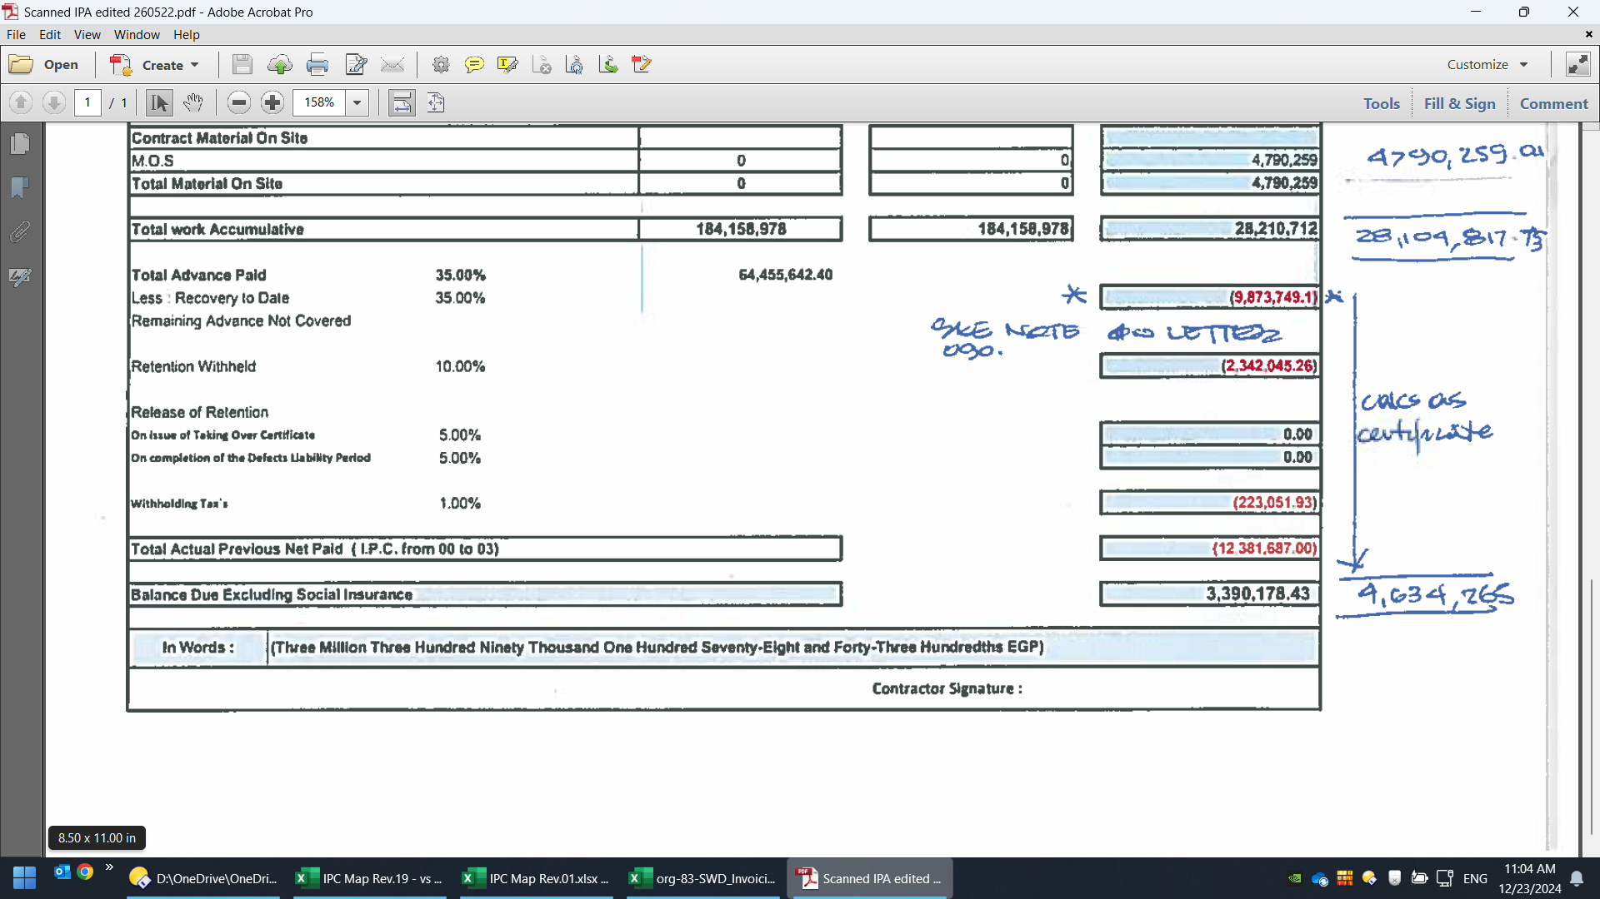
CASH_RECEIPT_ID | PROJECT_NUMBER | PROJECT_NAME | INV_NUM | CUSTOMER_TRX_ID | ATTRIBUTE1 | AMOUNT_APPLIED | TOTAL_AMOUNT_APPLIED | CUSTOMER_NAME | COMMENTS | INV_TYPE | INV_CLASS | INVOICE_DATE | CURRENCY | AMOUNT_EXECLUDED_VAT | PROJECT_OWNER
1074787 | 0164 | Waldorf Astoria Cairo | waldorf astoria IPC4 | 853514 | Collection | 4,634,265 | 9,361,306 | Gulf Egypt for Hotels & Tourism (GEHT) | Waldorf Astoria - IPC 4 | Projects Invoice 3D-local | INV | 2022-06-16 | EGP | 5,452,380 | Mahmoud Ibrahim Mohamed Mahlab, Mr.
725514 | 0164 | Waldorf Astoria Cairo | waldorf astoria IPC4 | 853514 | On Account | 4,727,041 | 9,361,306 | Gulf Egypt for Hotels & Tourism (GEHT) | دفعة مقدمة فندق والدروف | Projects Invoice 3D-local | INV | 2022-06-16 | EGP | 5,452,380 | Mahmoud Ibrahim Mohamed Mahlab, Mr.

 |  |  |  |  |  |  |  |  |  |  |  |  | Submitted Invoices |  | Approved Invoices (By Consultant)
 |  | Project | Package | Invoice No. | Invoice Month | Cut Off Date | Submittal Date | Duration of Pay | Pay Due Date | Collection Date | status | Collection amount | Monthly Amount (Submitted) | Cummulative amount (Submitted) | Approval Date (By Consultant) | Monthly Amount Approved (By Consultant) | Cummulative amount Approved (By Consultant)
 |  | Astoria Hotel | Gross Value of work | 4 | 2022-04-30 | 2022-05-10 | 2022-05-17 | 42 | 2022-06-28 |  |  |  | 5,567,498.69 | 22,305,193.00 | 2022-05-31 | 5,466,647.24 | 22,204,341.55
 |  | Astoria Hotel | Material on site | 4 | 2022-04-30 | 2022-05-10 | 2022-05-17 | 42 | 2022-06-28 |  |  |  |  | 4,790,259.00 | 2022-05-31 |  | 4,790,259.00
 |  | Astoria Hotel | V.O | 4 | 2022-04-30 | 2022-05-10 | 2022-05-17 | 42 | 2022-06-28 |  |  |  |  | 1,088,132.98 | 2022-05-31 |  | 987,281.94
 |  | Astoria Hotel | Escalation | 4 | 2022-04-30 | 2022-05-10 | 2022-05-17 | 42 | 2022-06-28 |  |  |  |  |  | 2022-05-31
 |  | Astoria Hotel | 1st Retention | 4 | 2022-04-30 | 2022-05-10 | 2022-05-17 | 42 | 2022-06-28 |  |  |  |  | 1,171,022.63 | 2022-05-31 |  | 1,171,022.63
 |  | Astoria Hotel | 2nd Retention | 4 | 2022-04-30 | 2022-05-10 | 2022-05-17 | 42 | 2022-06-28 |  |  |  |  | 1,171,022.63 | 2022-05-31 |  | 1,171,022.63
 |  | Astoria Hotel | Deductions | 4 | 2022-04-30 | 2022-05-10 | 2022-05-17 | 42 | 2022-06-28 |  |  |  |  |  | 2022-05-31
 |  | Astoria Hotel | Net Amount | 4 | 2022-04-30 | 2022-05-10 | 2022-05-17 | 42 | 2022-06-28 | 2022-06-19 | 1 | 4,634,265.00 | 3,390,178.43 |  | 2022-05-31 | 4,634,265.00
 |  | Astoria Hotel - DP | Net Amount | 4 | 2022-08-31 | 2022-08-25 | 2022-08-25 |  | 2022-08-25 | 2022-08-25 | 1 | 9,207,948.90 | 9,207,948.90

